Data File

H-1B SAMPLE DATA FILE UPLOAD
This is a sample of a raw data that will be uploaded into the WIPS System.
Each column represents a data element and a code value is represented in each row of a participant record.

47839340494839 | GA | 19981106 | 1 | 1 | 1 | 0 | 0 | 1 | 0 | 0 | 3 | 0 | 1 | 12 | 1 | 0 | 0 | 0 | 20161210 | 20170504 | 20161210 | 4 | 4 | 0 | 0 | 0 | HG-29335-16-60-A-13 | 20170323 | 4 | 1 | 20161225 | 5 | 15204102 | 1 | 20170125 | 20170228 | 1 | 15114100 | 1 | 20170328 | 20170411 | 6 | 15119906 | 1 | 20170515 | 1 | 1 | 0 | 20170511 | 4 | 20170222 | 7 | 20170328 | 0 | 0 | 20170430 | 20170408 | 20161130 | 20170430 | 0 | 1 | 20161111 | 0 | 1 | 20120430 | 0 | 1 | 1 | 5 | 0 | 1 | 2 | 0 | 2 | 5 | 1 | 20170516 | 0 | 0 | 0 | 0 | 0 | 0 | 1 | 123456789
29394846282733 | GA | 19960420 | 2 | 0 | 0 | 0 | 0 | 0 | 0 | 0 | 0 | 0 | 0 | 10 | 2 | 0 | 1 | 0 | 20170111 | 0 | 20170128 | 4 | 4 | 0 | 0 | 0 | HG-29335-16-60-A-13 | 0 | 0 | 1 | 20170214 | 6 | 15112200 | 1 | 20170318 | 0 | 0 | 0 | 0 | 0 | 0 | 0 | 0 | 0 | 0 | 1 | 1 | 0 | 20170121 | 5 | 20170114 | 0 | 0 | 0 | 0 | 0 | 0 | 0 | 0 | 1 | 0 | 20161128 | 0 | 0 | 0 | 0 | 0 | 3 | 4 | 0 | 0 | 0 | 0 | 0 | 0 | 0 | 0 | 0 | 0 | 0 | 0 | 0 | 0 | 0 | 987654321
38372638272926 | GA | 19970730 | 2 | 0 | 9 | 9 | 9 | 9 | 9 | 9 | 0 | 2 | 0 | 12 | 5 | 9 | 0 | 1 | 20170115 | 0 | 20170124 | 4 | 4 | 0 | 0 | 0 | HG-29335-16-60-A-13 | 20170411 | 4 | 1 | 20170124 | 6 | 15119903 | 1 | 20170214 | 0 | 0 | 0 | 0 | 0 | 0 | 0 | 0 | 0 | 0 | 0 | 0 | 0 | 20170217 | 5 | 20170226 | 0 | 0 | 0 | 0 | 0 | 0 | 0 | 0 | 1 | 1 | 20170122 | 0 | 0 | 0 | 0 | 0 | 5 | 3 | 4 | 0 | 0 | 0 | 0 | 0 | 0 | 0 | 0 | 0 | 0 | 0 | 0 | 0 | 0 | 111223333
29202839473829 | GA | 19900603 | 2 | 0 | 0 | 1 | 0 | 0 | 0 | 0 | 0 | 1 | 0 | 12 | 7 | 1 | 0 | 0 | 20161114 | 20170504 | 20161114 | 4 | 4 | 0 | 0 | 0 | HG-29335-16-60-A-13 | 0 | 0 | 1 | 20161128 | 1 | 15204102 | 1 | 20170114 | 20170314 | 9 | 15114200 | 1 | 20170412 | 20170428 | 6 | 15119901 | 1 | 20170528 | 0 | 1 | 0 | 20170522 | 7 | 20170222 | 7 | 20170422 | 0 | 0 | 20170421 | 20170322 | 0 | 0 | 1 | 1 | 20161115 | 0 | 0 | 0 | 1 | 1 | 7 | 7 | 0 | 1 | 4 | 0 | 2 | 5 | 7 | 0 | 0 | 0 | 0 | 0 | 0 | 0 | 9 | 444556666
10293837463837 | GA | 19920218 | 1 | 9 | 0 | 0 | 0 | 0 | 0 | 1 | 2 | 1 | 0 | 12 | 1 | 0 | 1 | 0 | 20170323 | 0 | 20170411 | 4 | 4 | 0 | 0 | 0 | HG-29335-16-60-A-13 | 0 | 0 | 1 | 20170411 | 2 | 15112200 | 1 | 20170528 | 0 | 0 | 0 | 0 | 0 | 0 | 0 | 0 | 0 | 0 | 0 | 0 | 0 | 20170326 | 0 | 20170325 | 0 | 0 | 0 | 0 | 0 | 0 | 0 | 0 | 1 | 0 | 20170129 | 0 | 0 | 0 | 0 | 0 | 6 | 0 | 0 | 0 | 0 | 0 | 0 | 0 | 0 | 0 | 1 | 9 | 9 | 9 | 9 | 9 | 0 | 777889999

TO GENERATE A DATA FILE USING EXCEL:
If using an Excel spreadsheet to create a data file, simply save the Excel spreadsheet as a csv file format.
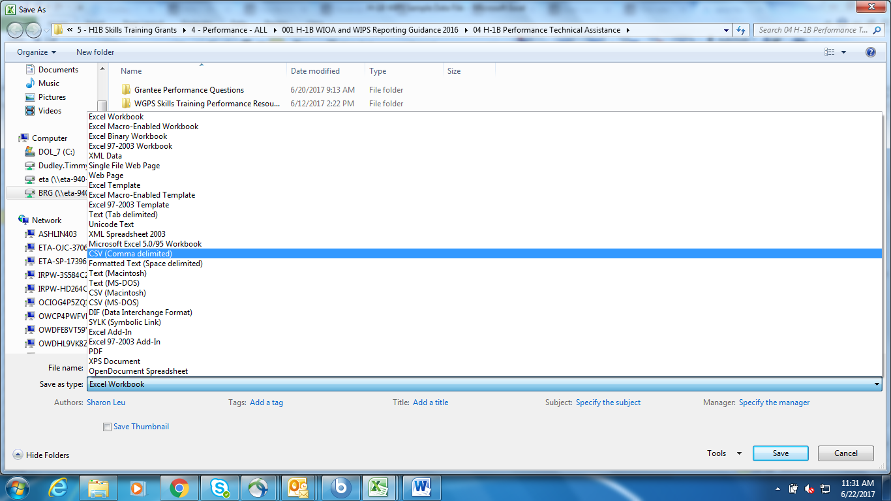

TO VIEW YOUR DATA FILE USING NOTEPAD:
Make sure to save your data file as a CSV File as seen in the previous instructions.
Move your curser to your data file and right click your mouse to view options.
Select Open with notepad as seen in the first image below.
Your notepad should appear as the second image below.

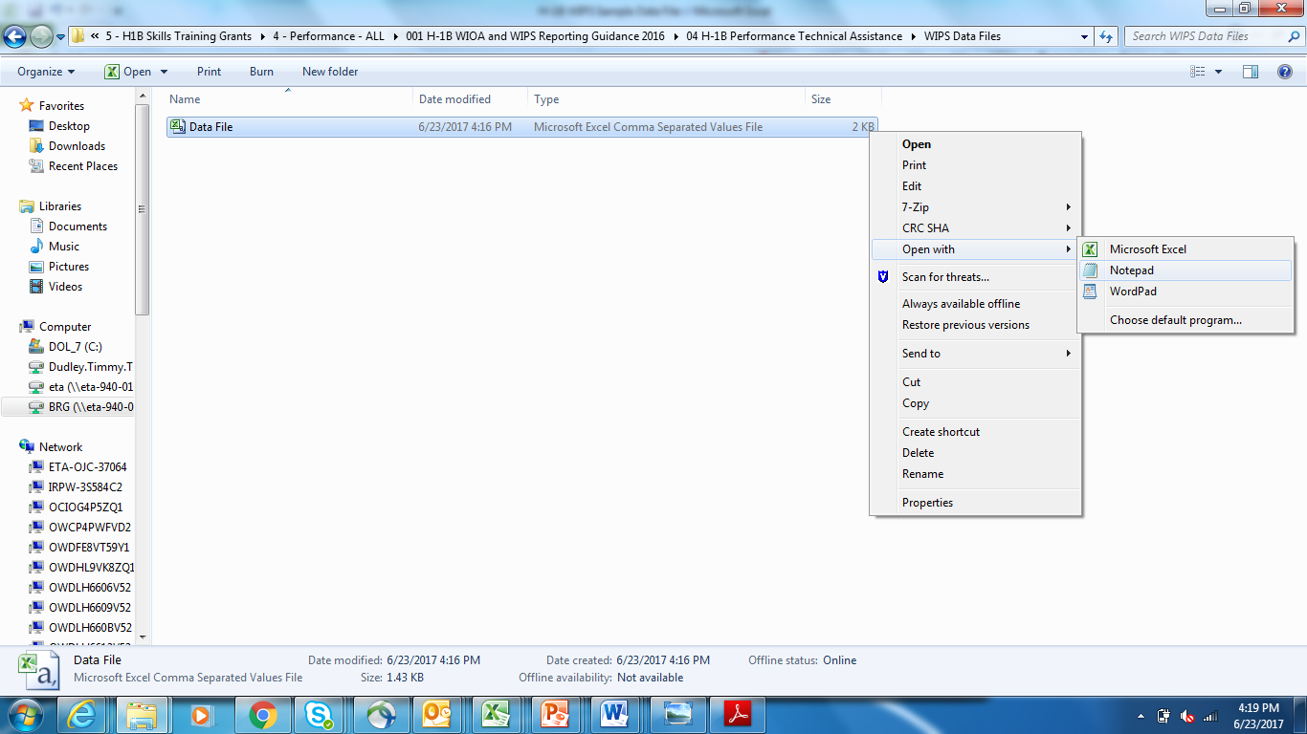

SAMPLE DATA FILE IN NOTEPAD
This is what your data file should look like before you upload it in WIPS.

